Sheet1
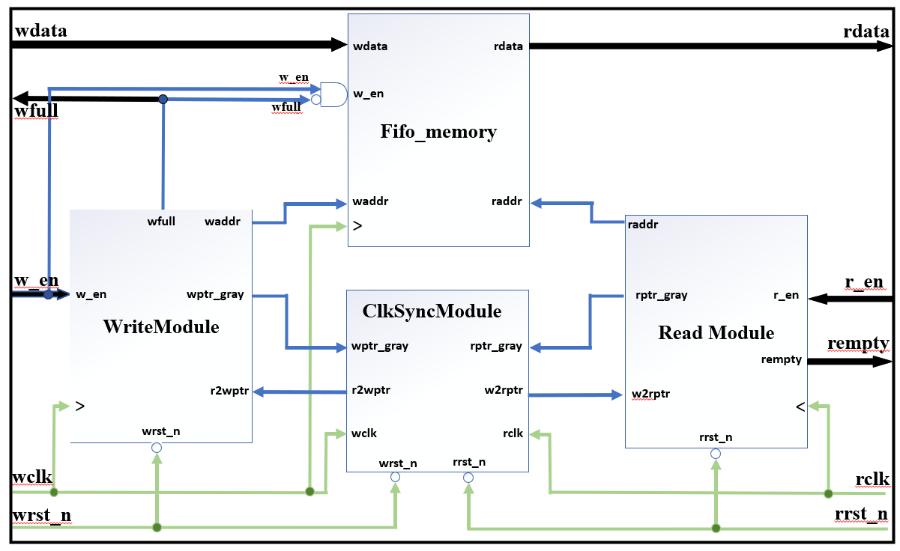
64bitFIFO
模块名 | Input | Output | Other | to-do lists
fifo_memory | wdata | rdata | DATASIZE | 1-define data width and address size; 2-declare data depth and memory 3-read_data operation 4-write_data operation
 | raddr |  | ADDRSIZE
 | waddr |  | DATADEP
 | wclk |  | MEM
 | winc
 | wfull
WriteModule | w_en | wptr_gray | ADDRSIZE | 1-declare address size 2-write_pointer +1 calculation 3-give write_address 4-binary to gray 5-determine the generation of Full Flag
 | wrst_n | waddr | wptr_bina
 | wclk | wfull
 | r2wptr
ReadModule | r_en | rptr_gray | ADDRSIZE | 1-declare address size 2-read pointer +1 calculation 3-give read_address 4-binary to gray 5-determine the generation of Empty Flag
 | rrst_n | raddr | rptr_bina
 | rclk | rempty
 | w2rptr
ClkSyncModule | wptr_gray | w2rptr | ADDRSIZE | 1-declare address size 2-Two level DFF for synchronize from write to read_module 3-2-Two level DFF for synchronize from read to write_module
 | rptr_gray | r2wptr | wptr1
 | wclk |  | rptr1
 | wrst_n
 | rclk
 | rrst_n

